Bug report
BUG REPORT

Serial No. | Bug ID | Related Test Case ID | Summary | Steps to Reproduce | Expected Result | Actual Result | Priority | Severity | Status | Reported By | Date Reported | Screenshot
1 | BUG_01 | TC_019 | UI displays wrong message after doing the password reset steps for reset link generation | 1. Navigate to Opencart site. 2. Click "My Account" then select "Login" and Click "Forgot Password". 4. Enter a registered email. 5. Click "Continue" to send the link. | Display text "Link Sent successfully" | Text on the screen "Success: Your password has been successfully updated" | Low | Low | Open | Manish Negi | 2025-03-27 | 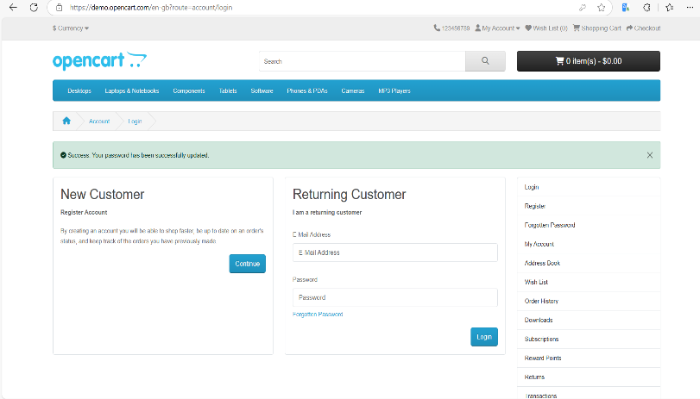
2 | BUG_02 | TC_022 | Unable to receive the link in the Email | 1. Navigate to Opencart site. 2. Click "My Account" then select "Login" and Click "Forgot Password". 4. Enter a registered email. 5. Click "Continue" to send the link. | User Should receive a password reset link in the Email | User unable to receive link on the Email. | High | High | Open | Manish Negi | 2025-03-27 | -
3 | BUG_03 | TC_023 | Password reset blocked due to unable to generate link | 1. Navigate to Opencart site. 2. Click "My Account" then select "Login" and Click "Forgot Password". 4. Enter a registered email. 5. Click "Continue" to send the link. 6. Open the link received in the Email. 7. Create a new password and Click "Confirm". | Display "Password successfully changed" | Blocked :- Unable to reset password as no link is sent to the user Email. TC_022 | High | Not Applicable (Blocked) | Open | Manish Negi | 2025-03-27 | -
4 | BUG_04 | TC_024 | Cannot verify the password change as user is not able to change password. | 1. Navigate to Opencart site. 2. Click "My Account" then select "Login". 3. Enter username and newly generated password. 4. Click "Login". | User is logged in successfully. | Blocked :- Unable to reset password as no link is sent to the user Email. TC_023 | High | Not Applicable (Blocked) | Open | Manish Negi | 2025-03-27 | -

